Explanation
 | Objective
1) | To compare the AutoJit Ordered Qty Vs iMaps Data
 | By Plan Lot
 | AutoJit Qty - must include consume, in column F | AutoJit-22411441 | in column F
 | AutoJit Qty - must exclude cancel - in columnR | AutoJit-22411441 | in columnR

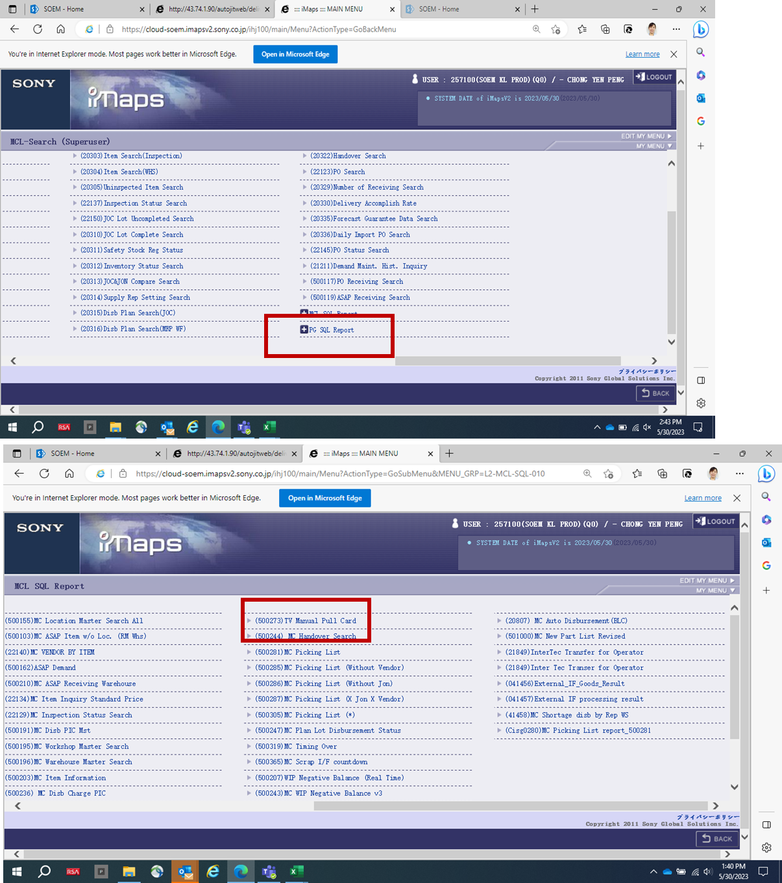
2) | iMaps Data
 | get from iMaps : (500273)TV Manual Pull Card | MCL SQL Report
 | Comparison - PLAN_LOT_USAGE_QTY | Manual Pull Card - 22411441 | (column M)

3) | From this - we able to check any shortage or extra that we have ordered VS iMaps

